Modul 1

MODUL 1
PERHITUNGAN LUAS LANTAI PABRIK

TI 3094
Praktikum Perancangan Sistem
Terintegrasi
IV

BOM
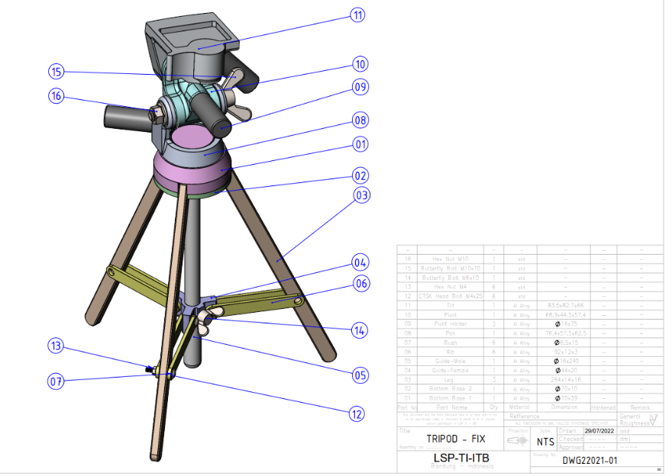
Bill of Materials

PT PPST
Bill of Materials Tripod
Part Number | Description | Quantitiy of Each Assembly | Decision
- | H100 Assembly Head Unit | 1 | Make
10 | 1000 Pivot | 1 | Make
11 | 1100 Tilt | 1 | Make
9 | 1200 Pivot Holder | 3 | Make
8 | 1300 Pan | 1 | Make
15 | 1310 Butterfly Bolt M10x70 | 1 | Buy
16 | 1320 Hex Nut M10 | 1 | Buy
- | S200 Stand Unit Assembly | 1 | Make
3 | 2000 Leg | 3 | Buy
1 | 2100 Bottom Base 1 | 1 | Make
2 | 2200 Bottom Base 2 | 1 | Make
- | G300 Assembly Guide Unit | 1 | Make
4 | 3000 Guide Female | 1 | Make
5 | 3100 Guide Male | 1 | Make
7 | 3200 Bush | 6 | Make
6 | 3300 Rib | 6 | Make
12 | 33100 CTSK Head bold M4x25 | 6 | Buy
13 | 33200 Hex Nut M4 | 6 | Buy
14 | 3400 Butterfly Bolt M6x10 | 1 | Buy

OPC
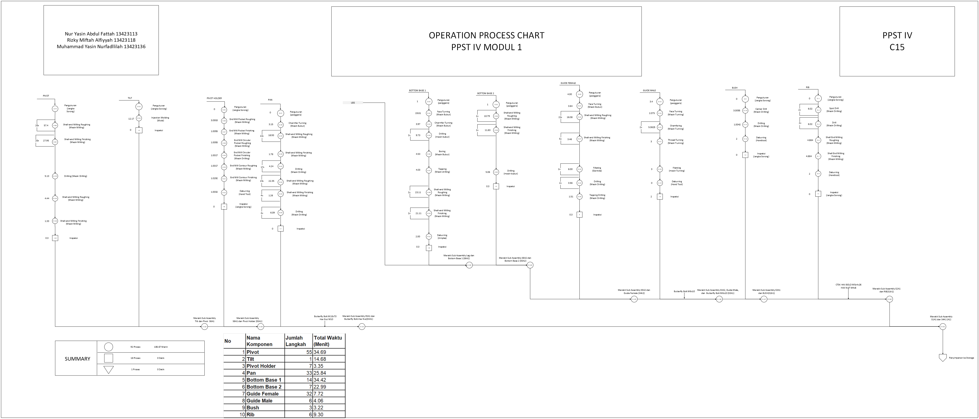

6. MPPC
9. MPPC

238
 | Departemen | Material | Aluminium Alloy Square Bar |  |  |  |  |  |  |  |  |  |  |  |  |  |  |  |  |  |  |  |  |  |  |  |  |  |  |  |  |  |  |  |  |  |  |  |  |  |  |  |  |  |  |  |  |  |  |  |  |  |  |  |  |  |  |  |  |  |  |  |  |  |  |  |  |  |  |  |  |  |  |  |  |  |  |  |  |  |  |  |  |  |  |  |  |  |  |  |  |  |  |  |  |  |  |  | Aluminium Alloy Cylinder Bar |  |  |  |  |  |  |  |  |  |  |  |  |  |  |  |  |  |  |  |  |  |  |  |  |  |  |  |  |  |  |  |  |  |  |  |  |  |  |  |  |  |  |  |  |  |  |  |  |  |  |  |  |  |  |  |  |  |  |  |  |  |  |  |  |  |  |  |  |  |  | ABS (Acrylonitrile Butadiene Styrene) |  | Jumlah Mesin
 |  | Mesin/Komponen | Rib |  |  |  |  |  |  | Pan |  |  |  |  |  |  |  |  |  |  |  |  |  |  |  |  |  |  |  |  |  |  |  |  |  |  |  |  |  |  |  |  |  |  |  |  |  |  |  |  |  |  |  |  |  |  |  |  |  |  |  |  |  |  |  |  |  |  |  |  |  |  |  |  |  |  |  |  |  |  |  |  |  |  |  |  |  |  |  |  |  | Pivot |  |  |  |  |  |  | Bush |  |  | Guide Male |  |  |  |  |  |  | Guide Female |  |  |  |  |  |  |  |  |  |  |  |  |  |  |  |  |  |  |  |  |  |  |  |  |  |  |  |  |  |  |  | Bottom Base 2 |  |  |  |  |  |  |  | Bottom Base 1 |  |  |  |  |  |  |  |  |  |  |  |  |  | Pivot Holder |  |  |  |  |  |  | Tilt |  | Teoritis | Aktual
 | Fabrikasi | Mesin Injection Molding |  |  |  |  |  |  |  |  |  |  |  |  |  |  |  |  |  |  |  |  |  |  |  |  |  |  |  |  |  |  |  |  |  |  |  |  |  |  |  |  |  |  |  |  |  |  |  |  |  |  |  |  |  |  |  |  |  |  |  |  |  |  |  |  |  |  |  |  |  |  |  |  |  |  |  |  |  |  |  |  |  |  |  |  |  |  |  |  |  |  |  |  |  |  |  |  |  |  |  |  |  |  |  |  |  |  |  |  |  |  |  |  |  |  |  |  |  |  |  |  |  |  |  |  |  |  |  |  |  |  |  |  |  |  |  |  |  |  |  |  |  |  |  |  |  |  |  |  |  |  |  |  |  |  |  |  |  |  |  |  |  |  |  |  |  |  |  | 0.492 |  | 0.49 | 1
2
3
4
5
139
155
204
207
208
211
289
290
10
11
12
63
64
67
87
90
99
100
 |  | Mesin Drilling | 0.001 | 0.001 | 0.001 | 0.001 |  |  |  |  |  |  |  |  |  |  |  |  |  |  |  | 0.012 | 0.001 |  |  |  |  |  |  |  |  |  |  |  |  |  |  |  |  | 0.002 | 0.000 | 0.002 | 0.000 |  |  |  |  |  |  |  |  |  |  |  |  |  |  |  |  |  |  |  |  |  |  |  |  |  |  |  |  |  |  |  |  |  |  |  |  |  |  |  |  |  |  |  |  |  |  |  |  |  |  | 0.027 | 0.006 |  |  |  | 0.000 | 0.000 | 0.107 |  |  |  |  |  |  |  |  |  |  |  |  |  |  |  |  |  |  |  |  |  |  |  |  |  |  |  |  |  |  |  |  |  |  |  |  | 0.003 | 0.001 | 0.0004 |  |  |  |  |  |  | 0.003 | 0.001 |  |  |  |  |  |  |  | 0.027 | 0.045 |  |  |  |  |  |  |  |  |  |  |  |  |  |  | 0.24 | 1
6
7
116
125
126
127
129
130
132
133
135
136
138
156
165
166
167
176
177
178
187
188
189
198
199
200
201
202
203
240
241
242
243
244
245
246
247
248
249
250
251
252
253
254
255
256
257
258
259
260
261
262
263
264
265
266
267
268
269
270
271
272
272
273
274
275
276
277
278
279
280
281
282
283
284
285
286
287
288
291
292
293
24
25
26
27
26
26
28
26
26
29
30
30
31
32
33
34
35
36
37
38
39
40
41
42
43
44
45
46
47
48
49
70
73
74
77
78
84
101
104
107
110
213
223
224
225
226
235
 |  | Mesin Milling |  |  |  |  | 0.101 | 0.101 |  |  | 0.169 | 0.019 | 0.043 | 0.059 | 0.030 | 0.024 | 0.006 | 0.018 | 0.021 | 0.015 | 0.017 |  |  | 0.056 | 0.006 | 0.014 | 0.067 | 0.007 | 0.017 | 0.052 | 0.013 | 0.006 | 0.065 | 0.017 | 0.008 | 0.058 | 0.026 | 0.026 | 0.058 |  |  |  |  | 0.168 | 0.019 | 0.042 | 0.069 | 0.008 | 0.015 | 0.066 | 0.007 | 0.025 | 0.023 | 0.008 | 0.036 | 0.004 | 0.009 | 0.033 | 0.004 | 0.008 | 0.017 | 0.038 | 0.003 | 0.028 | 0.007 | 0.017 | 0.038 | 0.035 | 0.004 | 0.009 | 0.011 | 0.025 | 0.073 | 0.008 | 0.018 | 0.062 | 0.007 | 0.016 | 0.006 | 0.014 | 0.006 | 0.014 | 0.011 | 0.025 | 0.017 | 0.038 | 0.017 | 0.038 | 0.022 | 0.025 | 0.080 | 0.009 | 0.020 |  |  | 0.016 | 0.008 | 0.018 |  |  |  |  |  |  |  |  |  |  |  |  | 0.010 | 0.010 | 0.009 | 0.008 | 0.007 | 0.014 | 0.010 | 0.009 | 0.009 | 0.008 | 0.007 | 0.014 | 0.004 | 0.004 | 0.009 | 0.005 | 0.005 | 0.005 | 0.004 | 0.004 | 0.008 | 0.005 | 0.005 | 0.005 | 0.004 | 0.004 | 0.008 |  |  |  | 0.131 | 0.046 | 0.298 | 0.104 | 0.080 | 0.073 |  |  |  |  |  |  |  |  |  |  |  | 0.134 | 0.076 | 0.116 | 0.067 |  | 0.003 | 0.000 | 0.000 | 0.000 | 0.002 | 0.000 |  |  |  | 3.78 | 4
115
14
15
16
17
18
22
23
92
93
94
95
96
97
98
 |  | Mesin Bubut |  |  |  |  |  |  |  | 0.008 |  |  |  |  |  |  |  |  |  |  |  |  |  |  |  |  |  |  |  |  |  |  |  |  |  |  |  |  |  |  |  |  |  |  |  |  |  |  |  |  |  |  |  |  |  |  |  |  |  |  |  |  |  |  |  |  |  |  |  |  |  |  |  |  |  |  |  |  |  |  |  |  |  |  |  |  |  |  |  |  |  |  |  |  |  |  |  |  |  |  |  | 0.021 | 0.004 | 0.003 | 0.054 | 0.054 |  |  | 0.004 | 0.004 |  |  |  |  |  |  |  |  |  |  |  |  |  |  |  |  |  |  |  |  |  |  |  |  |  |  |  |  |  |  |  |  |  |  |  |  |  |  | 0.085 | 0.108 | 0.076 | 0.067 | 0.031 | 0.152 | 0.072 |  |  |  |  |  |  |  |  |  |  |  |  |  |  |  |  | 0.74 | 1
1
8
1
114
8
239
11
9
2
13
19
20
3
21
50
55
68
69
5
91
113
6
212
236
9
237
10
 |  | Kerja Bangku | 0.000 |  |  |  |  | 0.107 | 0.000 | 0.000 |  |  |  |  |  |  |  |  |  |  |  |  |  |  |  |  |  |  |  |  |  |  |  |  |  |  |  |  |  |  |  |  | 0.000 | 0.000 |  |  |  |  |  |  |  |  |  |  |  |  |  |  |  |  |  |  |  |  |  |  |  |  |  |  |  |  |  |  |  |  |  |  |  |  |  |  |  |  |  |  |  |  |  |  |  |  |  |  |  |  |  | 0.000 | 0.000 |  | 0.000 | 0.000 |  |  |  | 0.054 | 0.000 | 0.000 | 0.000 |  |  |  |  |  |  |  |  |  |  |  |  |  |  |  |  |  |  |  |  |  |  |  |  |  |  |  | 0.000 | 0.000 |  | 0.000 | 0.000 |  |  |  |  |  |  | 0.000 | 0.000 |  |  |  |  |  |  |  |  |  |  |  | 0.107 | 0.000 | 0.000 |  |  |  |  | 0.107 | 0.000 | 0.000 | 0.000 | 0.38 | 1

294
295
296
297
7
8
 | Departemen | Material | Sub-Assembly |  |  |  |  |  |  |  |  |  |  | Jumlah Mesin
 |  | Mesin/Komponen | H100 Assembly Head Unit |  |  | S200 Stand Unit Assembly |  | G300 Assembly Guide Unit |  |  |  |  | F600 Packaging | Teoritis | Aktual
 | Assembly | Bench Perakitan | 0.215 | 0.643 | 0.214 | 0.643 | 0.214 | 0.214 | 0.214 | 1.283 | 1.282 | 0.214 | 0.214 | 5.348 | 6.000

8. Luas Lantai Pabrik
8. Luas Lantai Pabrik

 | LUAS LANTAI PABRIK
 | Departemen | Nama Mesin | Jumlah Aktual | Ukuran Mesin |  |  | Allowance |  |  |  |  |  |  |  |  | Luas Mesin (m2) | Luas Total Mesin (m2) | Luas Total Ruangan (m2)
 |  |  |  |  |  |  | Material |  |  |  | Pekerja |  | Maintenance |  | Transportasi
 |  |  |  |  |  |  | Incoming |  | Outgoing
 |  |  |  | P(m) | L(m) | Luas (m2) | P (m) | L(m) | P (m) | L (m) | P (m) | L (m) | P (m) | L (m) | Luas (m2) |  |  |  | LUAS Total Dari Visio
 | Fabrikasi | Mesin Injection Molding | 1 | 0.80 | 0.50 | 0.40 | 1.476 | 1.23 | 1.476 | 1.23 | 3.752 | 1.000 | 3.752 | 1.000 | 33.823 | 7.904 | 7.904 | 41.73 | meja kerja | https://www.monotaro.id/s013205713.html
 |  | Mesin Drilling | 1 | 0.90 | 0.60 | 0.54 | 1.476 | 1.23 | 1.476 | 1.23 | 3.852 | 1.000 | 3.852 | 1.000 | 34.486 | 8.244 | 8.244 | 42.73 | mesin milling | https://www.monotaro.id/items/s018047318.html?utm_source=google&utm_medium=pla&utm_campaign=22672098661&utm_content=182332223233&utm_term=others_cat_group_2_pricebrand_group_2&gad_source=1&gad_campaignid=22672098661&gbraid=0AAAAADJU9-_Lq-hJ9mLm049lH5nejd6xr&gclid=Cj0KCQjwxL7GBhDXARIsAGOcmIPCkp1dzp2M-WcAG3MyECLLGublvQDaT_QBosTGOUpNK-YkaR8JO0saAo9-EALw_wcB
 |  | Mesin Milling | 4 | 2.27 | 1.50 | 3.41 | 1.476 | 1.23 | 1.476 | 1.23 | 5.222 | 1.000 | 5.222 | 1.000 | 100.477 | 13.849 | 55.396 | 155.87 | mesin drilling | https://www.inpertekshop.com/product/ryu-mesin-bor-duduk-rbd16-bench-drill-stand-16mm-press-mata-bor-rbd-16?utm_source=chatgpt.com
 |  | Mesin Bubut | 1 | 2.00 | 1.50 | 3.00 | 1.476 | 1.23 | 1.476 | 1.23 | 4.952 | 1.000 | 4.952 | 1.000 | 37.993 | 12.904 | 12.904 | 50.90 | mesin injection molding | https://www.ebay.com/itm/396749909722?utm_source=chatgpt.com
 |  | Meja Kerja | 1 | 2.00 | 1.00 | 2.00 | 1.476 | 1.23 | 1.476 | 1.23 | 4.952 | 1.000 | 4.952 | 1.000 | 36.704 | 11.904 | 11.904 | 48.61 | mesin bubut | https://www.vevor.com/metal-lathe-c_10121/vevor-7-x14-mini-precision-wood-lathe-550w-metal-bench-lathe-turning-machine-p_010631700507?v_tag=e73462e0-87d4-11ed-8e87-3f2fa233444b.1&utm_source=chatgpt.com
 | Assembly | Bench Perakitan | 1 | 1.20 | 0.75 | 0.90 | 1.476 | 1.23 | 1.476 | 1.23 | 4.152 | 1.000 | 4.152 | 1.000 | 35.484 | 9.204 | 9.204 | 44.69 | bench perakitan | https://www.itechsmt.com/products/heavy-duty-workbench-with-4-drawers?_pos=3&_psq=heavy&_ss=e&_v=1.0
 | Total |  |  |  |  |  |  |  |  |  |  |  |  |  |  |  |  | 384.52

 | Alat Material Handling |  | Ukuran Material Handling
 |  |  | Panjang (m) | Lebar (m)
 | Pallet |  | 1.2 | 1.2 |  | 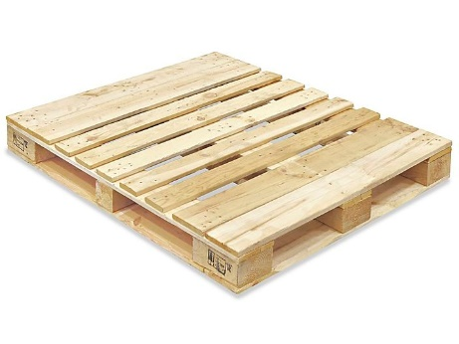 |  |  |  |  |  | CARI di GOOGLE ukuran mesinnya
 | Fokrlift |  | 3.78 | 1.23 | https://www.asheforklift.com/forklift-specification-spesifikasi
 | Troli |  | 0.9 | 0.6 | https://shopee.co.id/Reaim-Trolley-barang-serbaguna-Troli-Lipat-Hand-Truck-150-500Kg-Troli-Galon-4-kursi-roda-mendukung-500-kg-Troli-Troley-Dorongan-Barang-Model-Besi-Kuat-Dan-Kokoh-i.750744135.20275778966

